Sheet1
Tether Odometer Calibration
 | Tether Length
0.11 | 40.333333333
0.21 | 75
0.3 | 107.91666667
0.4 | 144.25
0.5 | 180.5
0.6 | 212.41666667
0.7 | 250.58333333
0.81 | 286.75
0.9 | 317.83333333
1 | 352.75
1.1 | 385.16666667
1.2 | 418.33333333
1.22 | 426.08333333
1.3 | 447.08333333
1.4 | 480.08333333
1.5 | 513.16666667
1.6 | 546.25
1.7 | 577.58333333
1.8 | 610.91666667
1.89 | 638.66666667
2 | 674.41666667
2.1 | 705.66666667
2.21 | 740.66666667
2.3 | 770
2.4 | 800.75
2.45 | 815.41666667
Measured Inputs
Altitude 1 |  |  |  | Altitude 2
Parameter | value |  |  | Parameter | value |  |  |  |  | Altitude, ft | Air density (slug/ft^3)
Wind Azimuth, deg | 40 | deg |  | Wind Azimuth, deg | 30 | deg |  |  |  | 0 | 0.002377
Balloon Elevation Angle, deg | 50 | deg |  | Balloon Elevation Angle, deg | 20 | deg |  |  |  | 1,000 | 0.002308
Odometer reading | 0.44 |  |  | Odometer reading | 3.15 |  |  |  |  | 2,000 | 0.002241
 |  |  |  |  |  |  |  |  |  | 3,000 | 0.002175
Balloon Launch Altitude (MSL), ft | 4,078 | ft |  |  |  |  |  |  |  | 4,000 | 0.002111
Ground Temperature | 64 | F |  |  |  |  |  |  |  | 5,000 | 0.002048
 |  |  |  |  |  |  |  |  |  | 6,000 | 0.001987
Wind Velocity Calculator |  |  |  |  |  |  |  |  |  | 7,000 | 0.001927
 |  |  |  |  |  |  |  |  |  | 8,000 | 0.001869
Ground Temp | 290.9 | K |  |  |  |  |  |  |  | 9,000 | 0.001811
Air Pressure (ground) | 101352.93 | Pa |  |  |  |  |  |  |  | 10,000 | 0.001756
Gravity | 32.16 | ft/s^2
Pibal Diameter | 3 | ft
Pibal Empty Weight | 0.223 | lb |  |  |  |  |  | Target Odometer Readings
Pibal Volume | 14.14 | ft^3
Reference Area | 7.07 |  |  |  |  |  |  | Balloon Elevation Angle, deg | Desired Balloon Altitude, ft | Target Odometer Reading
Gas Atomic Weight | 4.002602 | g/mol |  |  |  |  |  | 50 | 65 | 0.2317033413
Gas Weight | 0.31 | lb |  |  |  |  |  | 20 | 400 | 3.6727142846
Moles of gas | 2.37
Pibal Drag Coefficient | 0.47
Tether diameter | 0.011 | in

Altitude 1 |  |  |  | Altitude 2
Tether Length | 158.00 | ft |  | Tether Length | 1021.71 | ft
Buoyant Force | 0.95 | lbs |  | Buoyant Force | 0.95 | lbs
Total Weight | 0.535 | lbs |  | Total Weight | 0.569 | lbs
Air Density | 0.0020984610329 | slug/ft^3 |  | Air Density | 0.0020840709658 | slug/ft^3
Tether Weight | 0.006 | lbs |  | Tether Weight | 0.041 | lbs
Pibal Elevation(AGL) | 121.0 | ft |  | Pibal Elevation(AGL) | 349.4 | ft
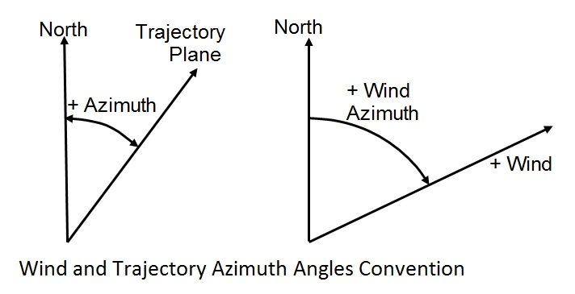
Pibal Elevation(MSL) | 4,199.0 | ft |  | Pibal Elevation(MSL) | 4427.4 | ft
Wind Velocity | 10.05 | ft/s |  | Wind Velocity | 17.33 | ft/s
 |  |  |  |  |  |  | Bias Correction Model

Bias Error 1 |  |  |  | Bias Error 2
Tether Drag Coefficient | 1.92
a | 1 |  |  | a | 1
b | 0.0075 |  |  | b | 0.0538
c | 0.0321 |  |  | c | 0.0926
d | 0.9604 |  |  | d | 0.8537
total correction | 0.9800 |  |  | total correction | 0.9240
Corrected Wind Velocity | 9.85 | ft/s |  | Corrected Wind Velocity | 16.02 | ft/s

Wind Inertial Components Calculator

Low Altitude Wind |  |  |  | High Altitude Wind
Wind Speed | 9.85 | ft/s |  | Wind Speed | 16.02 | ft/s
Wind Azimuth | 40 | deg |  | Wind Azimuth | 30 | deg
Altitude, AGL | 121.0 | ft |  | Altitude | 349.4 | ft

Wind in North-South & East-West components
Low Alt | 7.54 | North | 6.33 | East | ft/sec
High Alt | 13.87 | North | 8.0077958772 | East | ft/sec

Wind Proifile
 |  |  |  |  |  |  |  | Plot File

 |  |  |  |  |  |  |  | Altitude, ft AGL | N-S Wind | E-W Wind
 |  |  |  |  |  |  |  | 0 | 0 | 0
 |  |  |  |  |  |  |  | 121.0 | 7.54 | 6.33
 |  |  |  |  |  |  |  | 349.4 | 13.87 | 8.0077958772
 |  |  |  |  |  |  |  | 18000 | 31.11 | 31.11268423
 |  |  |  |  |  |  |  | 24000 | 41.48 | 41.483578973
 |  |  |  |  |  |  |  | 30000 | 25.08 | 68.910760868

 |  |  |  |  |  |  |  | Winds and Temperatures Aloft - Air Sports Net

 |  |  |  |  |  |  |  | Altitude, ft MSL | Altitude, ft AGL | Wind Speed, miles/hour | Wind Speed, ft/sec | Azimuth, deg from North | N-S Wind, ft/sec | E-W Wind, ft/sec
 |  |  |  |  |  |  |  | 18000 | 13,922 | 30 | 43.99998 | 45 | 31.11268423 | 31.11268423
 |  |  |  |  |  |  |  | 24000 | 19,922 | 40 | 58.66664 | 45 | 41.483578973 | 41.483578973
 |  |  |  |  |  |  |  | 30000 | 25,922 | 50 | 73.3333 | 70 | 25.081465777 | 68.910760868

